Sheet1
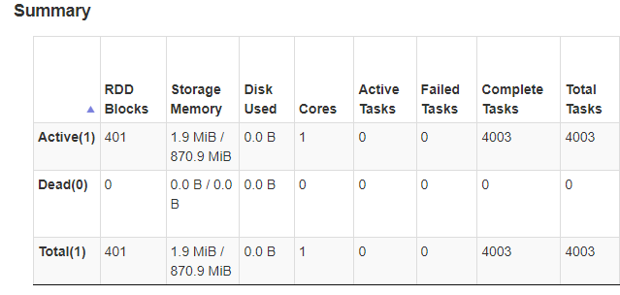
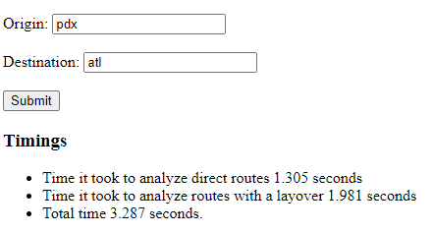
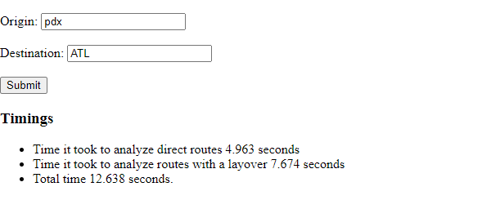
source | destination | number of direct flights | number of flights in the routes with a layover | 1 core | 2 cores | 4 cores | 6 cores | 8 cores | Supporting pictures
pdx | atl | 135 | 15807 | 12.638 | 7.17 | 4.189 | 3.411 | 3.287 | first picture is the app, second one is the spark dashboard showing only 1 core is used
den | mia | 185 | 8348 | 12.48 | 6.676 | 4.339 | 3.634 | 3.34
phx | ord | 447 | 14121 | 11.825 | 6.729 | 4.102 | 3.324 | 3.31
lax | sea | 672 | 18393 | 11.893 | 6.613 | 4.249 | 3.444 | 3.373

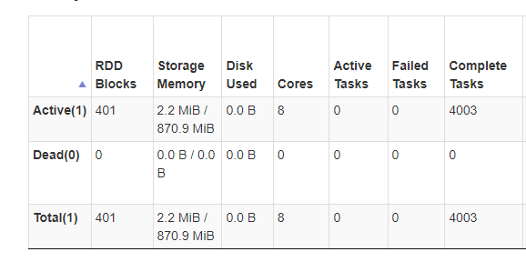
8 cores
 |  |  |  |  |  |  |  |  |  | 1 core

